jewellary
Sr no | scenario | Attachments
1 | While launching the app , on loading page the name or icon of application is not there how do I know which application I have lauched | 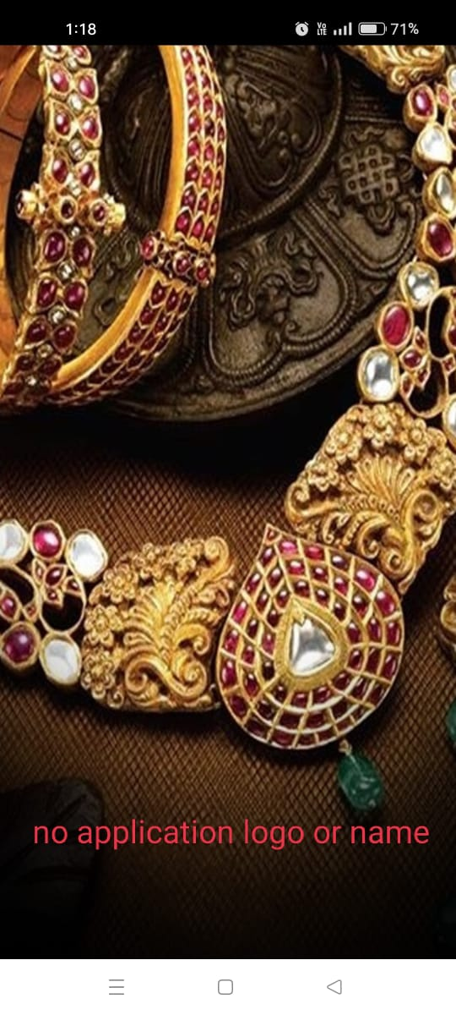
2 | On home page there is no name of application or icon | 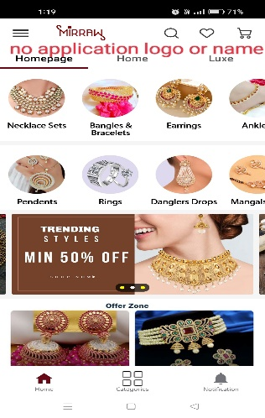
3 | After login there no user name on homepage how do iknow from which account I have loged in | 
4 | In notification section there is no time and date is there, how do I know at what time the notification. | 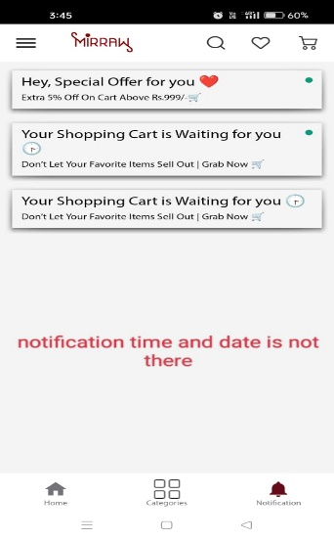
5 | after selecting any product ,while I swiper second and third photo and click photo it opens first photo
6 | After succeful login, the login window is still there, I have to press back button to remove that window | 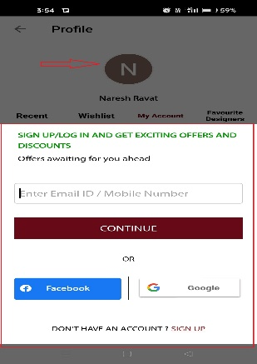
7 | After logout it does not give any notification about from which account I have loged out. | 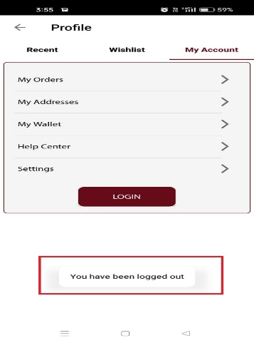
8 | While login with email, it does not send any verification otp so I can use any email address to log in
9 | If I login with phone number, user name is fixed I can not change it | 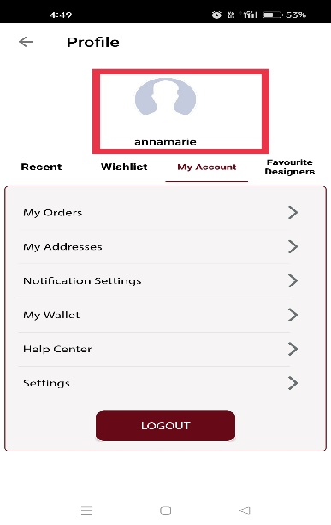
10 | Search history reamin same even I switch the account.
11 | Filter does not work properly for price segment.
12 | I can not chose two filter at a time | 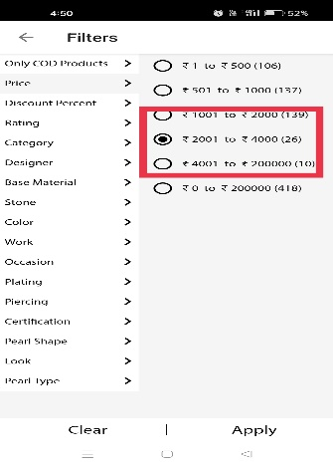
13 | If I chose any product and select my size for product , there is no conformation or pop up notification that size is selected.
14 | While using application a notification pops up if I click on notification it first take as homepage and then cart , the process is not fast and app restarts. And I loss any data that I was working.
15 | IN address page, in recivers name section I can add numbers. It does not show any red box | 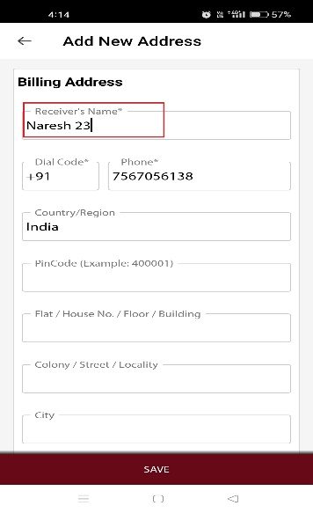
16 | IN name section I can add all special character and it does not show any red box. | 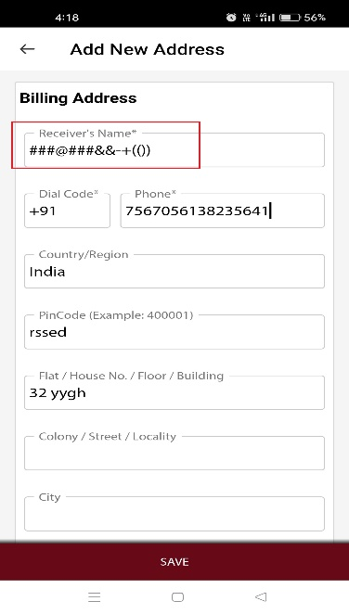
17 | In pincod I can add alphabet ,and box does not show any red box or error massage | 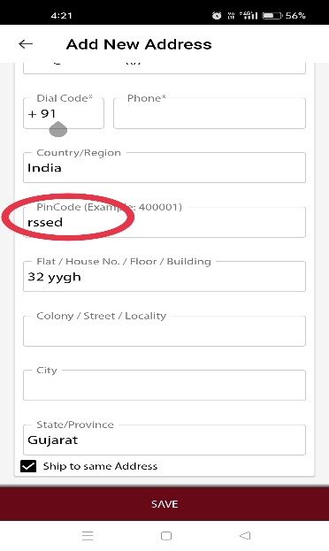
18 | In pincod box I can add special characters. | 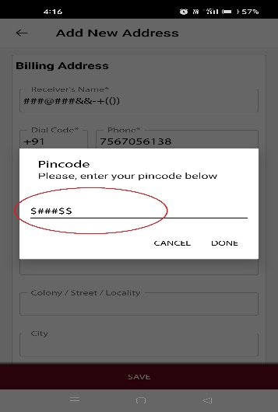
19 | Inpincod box accepts "000000" and does not gives erros massage redbox. | 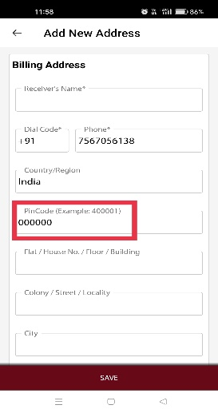
20 | In dial code box it accepts special character and alphabet no error massage is shown | 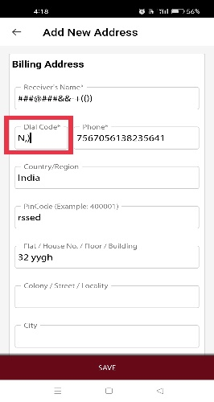
21 | In dialcod box I can add space. No error msg is shown. | 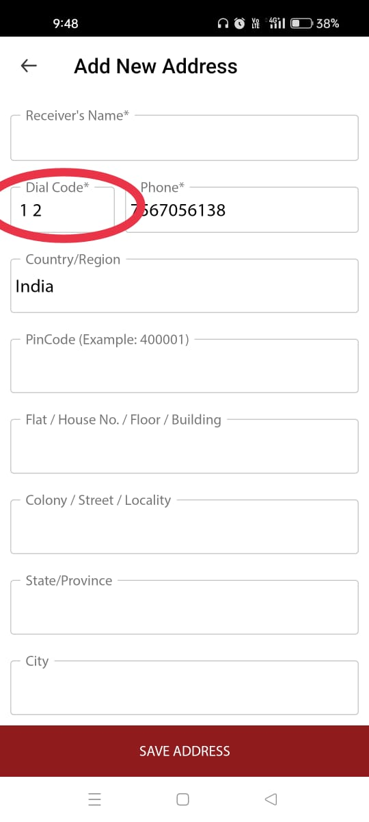
22 | In phone number box whille entering number less than 10 digit no alart masssage or red box shows up. | 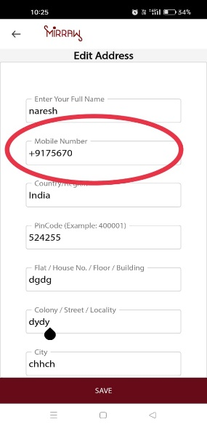 c
23 | I can add 20 numeric , but no error alart or red box is shows up. | 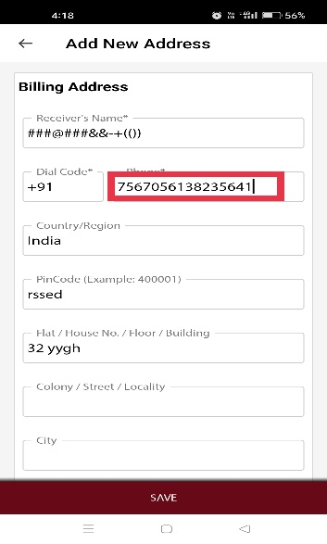
24 | After clicking on notification, on dropdown window it leads to cart and whan I press backbutton from cart to homepage some images does not loads , even tried for manytimes. | 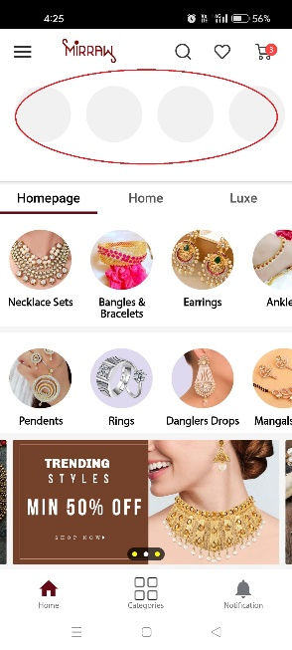
25 | No cash on delevery option available. | 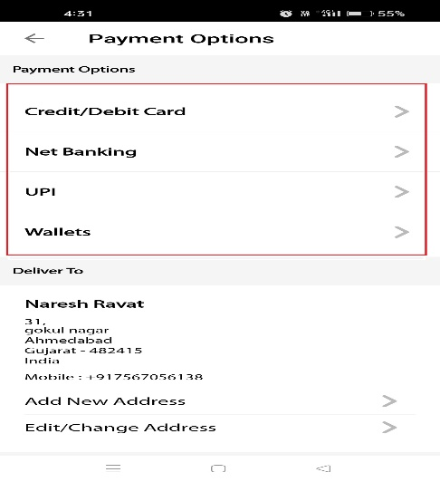
26 | Payment option page ,afrer giving 3 digit CVC the pop up dial does not go bake automaticaly , I have to press ok or back button. Even after clicking anyware on screen it stays there. | 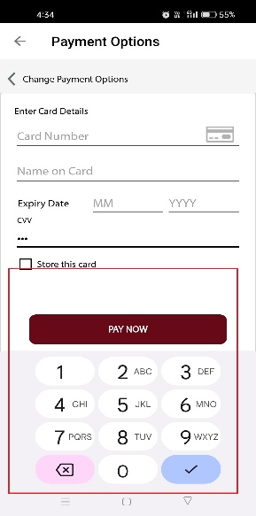
27 | payment page , user name box accepts numeric and special characters. | 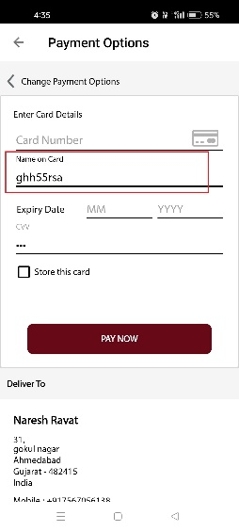
28 | I cannot remove more than one itme from card at a time.
29 | While login/sign up there is no selection box for chosse email or chose mobile number. | 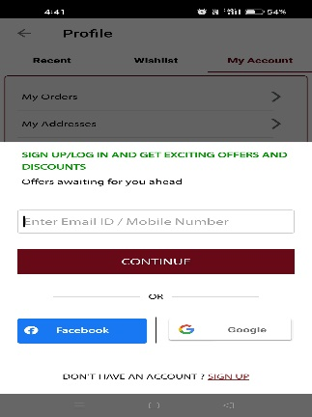
30 | After log in with phone number, when I logout it display massage that "7567056138 has log out" it does not showes users name

